Detail Design Verification Spec
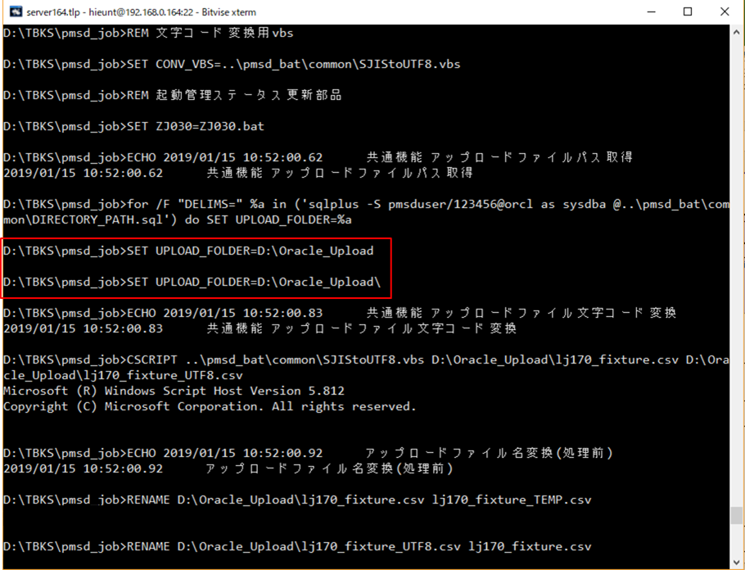
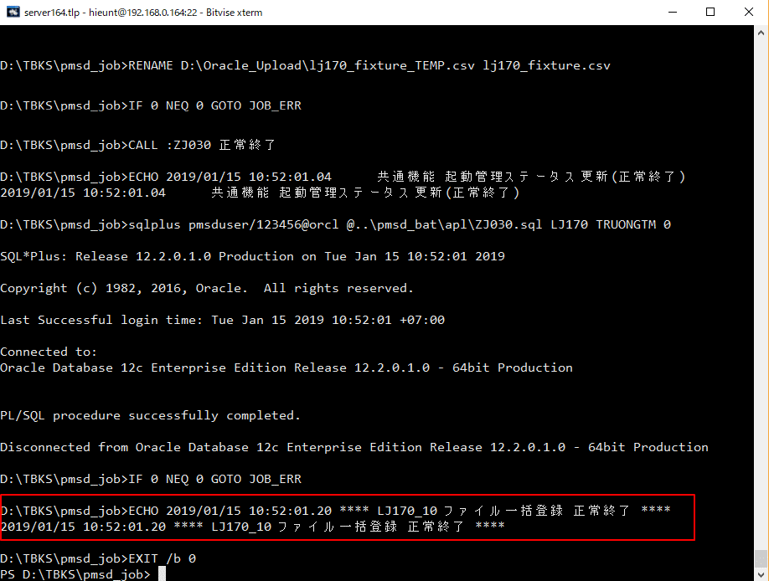
 | Homepage evidence

Detail design verification specification

Precondition: Call Job

 |  | Move to command folder | Call job




Test No
1 |  | Check the folder of DIRECTORY_PATH.sql | Result display

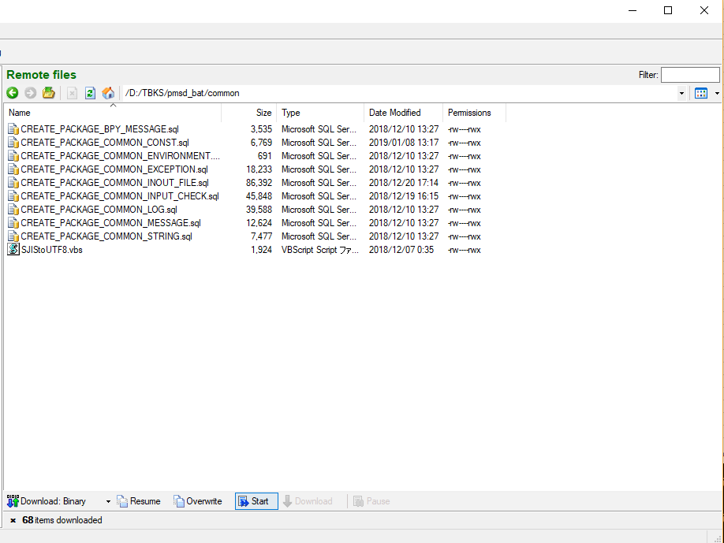
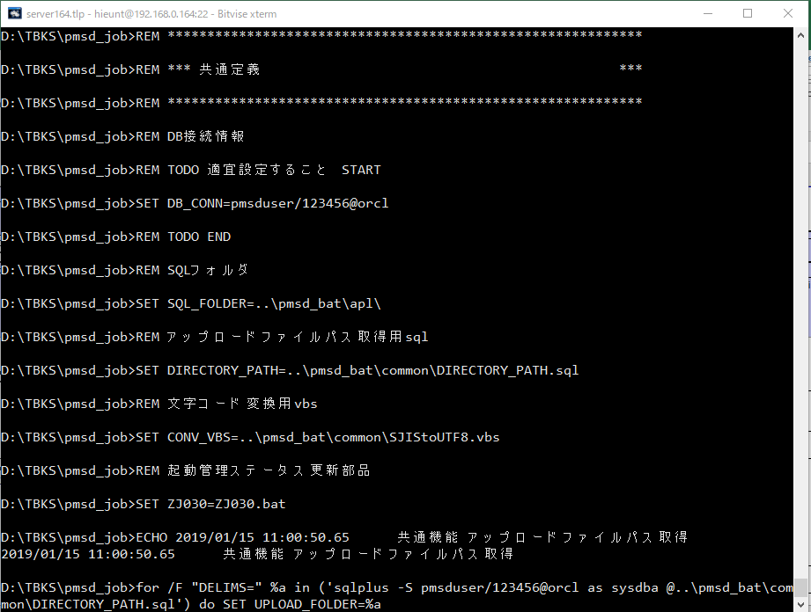

2 |  | error indication | Result display

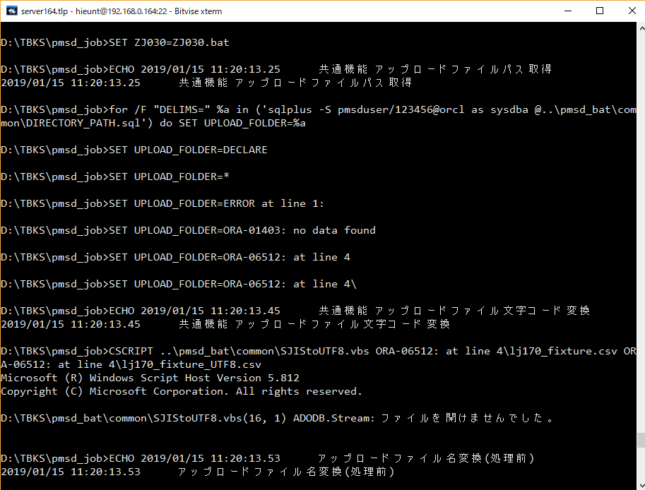
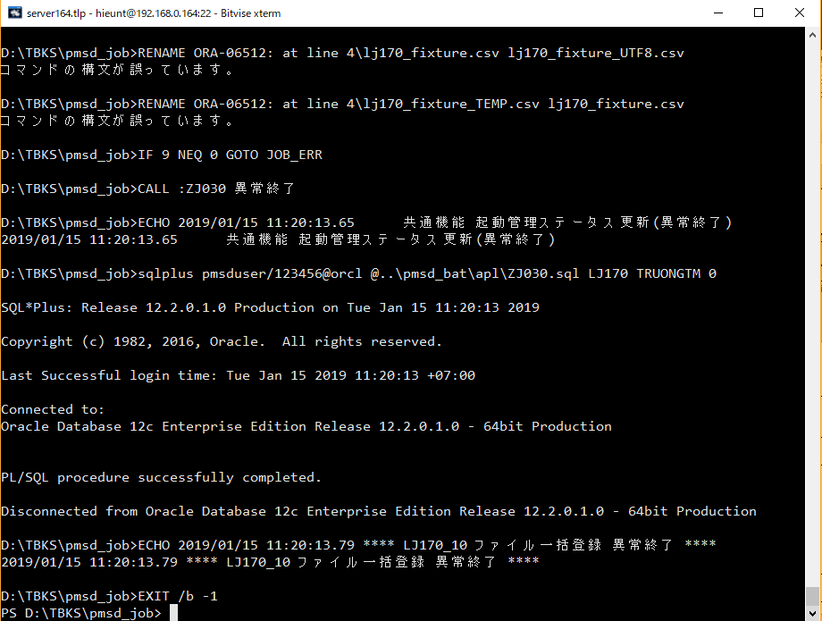

3 |  | Display upload folder results | Result display

